BIGY 125MX
BIKE CODE FOR ORDERS: 22-BIGY-125-STD |  | 2022-03-01 | BIKE DESCRIPTION NAME:BIGY 125 MX 2022
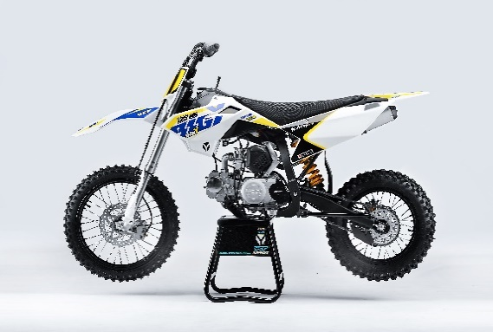 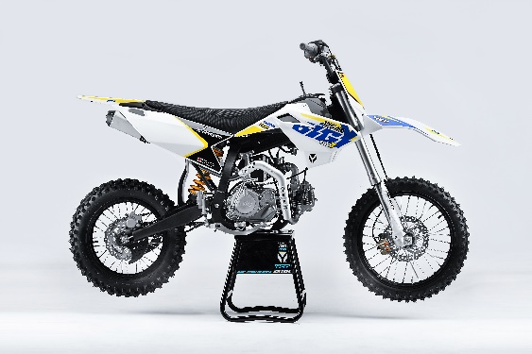 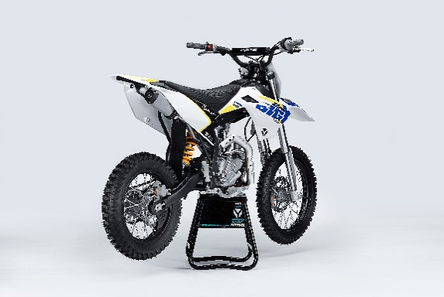 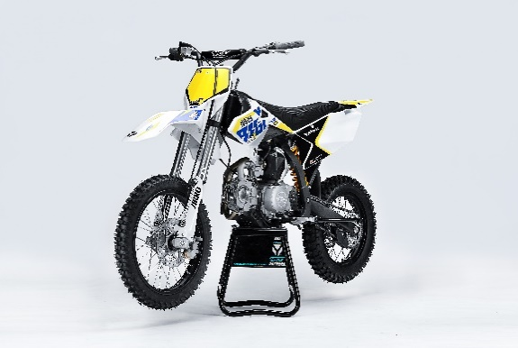
Handle bar assembly
50A = YCF50A
50E = YCF50E
W88E = START W88E
L88 = LITE88 L125 = LITE125
S88S = START F88S
S125S = START F125S
S125SE = START F125SE
S125 = STARTF125
P88 = PILOT 88
P125 = PILOT 125
P150 = PILOT 150
SM125 = START SM125S
SM150 = PILOT SM 150
SP1 = FACTORY SP1
SP2 = FACTORY SP2
SP3 = FACTORY SP3
B125 = BIGY 125MX
B150 = BIGY 150MX
BF150 = BIGY F150MX
BFD190 = BIGY FD190MX
BFZ190 = BIGY ZE190 MX
S147 = SUNDAY 150
S187 = SUNDAY 190
N° | Ref. | Description | Français | Picture | Qty/Bike | Model
1 | YC110-0101-1601-BK | Handle Bar chromoly No embossing L=780mm | Guidon chromoly Sans Strie L=780mm |  | 1 | B12522/B15022
2 | YC110-0132 | Complete Bar Pad for Chromolly Handlebar L=250mm BLACK | Mousse guidon complete pour guidon Chromolly L=250mm NOIR |  | 1 | W88E1822/S88SE1822/L881822/L1251822/S12522/S125S1822/S125SE1822/P1251822/P1501822/SM1251822/B1251822/B1501822
3 | YC110-0153-01 | Handle bar plastic cap | Embout plastique de guidon |  | 1 | ALL BIKES2020
4 | YC110-0138-03 | YCF complete Throttle Assy. 2020 with YCF GREY | Poignee gaz complete YCF 2020 avec Paire de poignée YCF GRIS 2020 |  | 1 | SM1501422/SP11422/SP21422/SP31422/BF1501722/BFD2201722/BFZ2201722/S1471822/S1871822
5 | PPC011-GY | YCF set of grip GREY 2020 | Paire de poignée caoutchouc YCF GRISE 2020 |  | 1 | ALL BIKES 22
6 | YC110-0135-02 | CNC adjustable bracket with lever 2020 | Cocotte CNC reglage rapide avec levier embrayage 2020 |  | 1 | S12522/P12522/P15022/SM15022/SP222/SP322/B12522/B15022/BFD22020/BFZ22020/S14722/S18722
7 | YC110-0151-02 | Rubber on clutch lever adjustable screw 2020 | Caoutchouc levier embrayage molette reglage2020 |  | 1 | S12522/P12522/P15022/SM15022/SP222/SP322/B12522/B15022/BFD22020/BFZ22020/S14722/S18722
8 | YC110-0136-01 | Rubber on clutch lever | Caoutchouc levier embrayage |  | 1 | S12522/P12522/P15022/SM15022/SP222/SP322/B12522/B15022/BFD22020/BFZ22020/S14722/S18722
9 | YC110-0134-04 | Clutch bracket Assy | Cocotte embrayage complete |  | 1 | S12522/P12522/P15022/SM15022/SP222/SP322/B12522/B15022/BFD22020/BFZ22020/S14722/S18722
10 | BT08-M6x22-W | Hex.Bolt M6x22 mm for clutch lever bracket | vis M6x22 mm pour cocotte embrayage |  | 2 | ALL BIKES 22
11 | YC110-0103-07 | Clutch lever 2020 (with FB13-8x10x10.5-Cu 1EA FB13-8x10x9.4-Cu 1EA ) complete with bushings and washer | Levier embrayage 2020 (avec FB13-8x10x10.5-Cu 1EA FB13-8x10x9.4-Cu 1EA ) avec entretoises et rondelle |  | 1 | S12522/P12522/P15022/SM15022/SP222/SP322/B12522/B15022/BFD22020/BFZ22020/S14722/S18722
12 | YC110-0105-15 | Kill Switch ON/OFF L=580mm | Coupe circuit on off L=580mm |  | 1 | ALL BIKES 1222
13 | YC110-0106-18 | Throttle Cable L=960mm A+B=120mm 2021 | Cable gaz L=960mm A+B=120mm 2021 |  | 1 | 22-BIGY-125-G-STD
14 | YC110-0143-01 | RUBBER ON THROTTLE CABLE | Protection caoutchouc cable de gas |  | 1 | ALL BIKES 1722
15 | YC110-01-03-BK | Cable tie L= 150mm BLACK | collier maintien cable L= 150mm NOIR |  | 3 | ALL BIKES 1222
16 | YC110-01-05-WH | Cable tie L=350mm WHITE | collier maintien cable L=350mm BLANC |  | 1 | ALL BIKES 1222
17 | YC110-0109-22 | Clutch Cable Assy.L=1000mm A+B=93mm | cable embrayage L=1000mm A+B=93mm |  | 1 | B1251722

Steering stem assembly

N° | Ref. | Description | Français | Picture | Qty/Bike | MODEL
1 | YC110-02-053-BK | Complete Triple Clamp (TOPd45mm / BOTTOM d48mm) adjustable bar mount L=160mm 2022 Steering stem L=233 mmBLACK | Te Fourche Complet (TE SUPd45mm / TE INF d48mm) pontet ajustable L=160mm 2022 tige colonne direction L=233 mm NOIR |  | 1 | W88E22/S88se22/S12522/S125SE22/SM12522/SM15022/SP222/B12522/B15022/BFZ22020
2 | YC110-0221-03 | Steering stem L=233mm | tige colonne direction L=233mm |  | 1 | S12522/S125S1122/S125se1522/P1251122/P1501122/SM1251222/SM1501322/SP11317/SP22322/SP31322/B1251722/B1501722/BFD2201722/BFZ2201822/S1471822/S1871822
3 | YC110-0222-56-BK | Lower triple clamp 160mm d48mm H=28mm 2020 MATT BLACK | té fourche inferieur 160mm d48mm H=28mm 2020 NOIR MAT |  | 1 | W88E22/S88se22/S12522/S125SE22/SM12522/SM15022/SP222/B12522/B15022/BF15022/BFZ22020
4 | YC110-0221-56-BK | Top Triple Clamp160mm d45mm H=28mm 2022 MATT BLACK | té fourche supérieur 160mm d45mm H=28mm 2022 NOIR MAT |  | 1 | W88E22/S88se22/S12522/S125SE22/SM12522/SM15022/SP222/B12522/B15022/BF15022/BFZ22020
5 | YC110-0223-035 | Set of Bar mount not adjustable d22.2mm/bottom 55mm START Type BLACK （with GB70-M10x50x1.5W 2EA+BT08-M8x30-W 4EA） | jeu pontet guidon non ajustable d 22.2mm / pontet bas 55mm Type START NOIR （with GB70-M10x50x1.5W 2EA+BT08-M8x30-W 4EA） |  | 1 | W88E22/L8822/S88se22/L12522/S12522/S125SE22/P12522/P15022/SM12522/SM15022/SP222/B12522/B15022/BFZ22020
6 | YC110-0223-32 | 2020 Lower Bar Mount CNC BIGY type,d22.2 H=55mm BLACK | Pontet guidon inférieur type BIGY d22.2 H=55 mm NOIR 2020 |  | 2 | W88E22/L8822/S88se22/L12522/S12522/S125SE22/P12522/P15022/SM12522/SM15022/SP222/B12522/B15022/BFZ22020
7 | YC110-0221-02 | Top Bar Mout CNC 2020 d22.2mm H=18mm START Type BLACK | pontet guidon supérieur 2020 d22.2mm H=18mm Type START NOIR |  | 2 | 50A22/50E22/W88E22/L8822/L12522/S88se22/S12522/S125SE22/P12522/P15022/SM12522/SM15022/SP2/B12522/B15022/BFZ22020
8 | BT08-M6x25-W | Hex.Bolt M6x25mm for clamp (sides top and bottom) | vis M6x25mm pour tes (cotes superieur et inferieur) |  | 8 | ALL BIKES 22
9 | BT08-M8x30-W | Hex.Bolt M8x30mm for top bar mount | vis M8x30mm pour pontet superieur |  | 4 | W88E22/S88se22/L8822/L12522/S12522/S125SE22/P12522/P15022/SM12522/SM15022/SP222/SP322/B12522/B15022/BFD22020/BFZ22020
10 | GB70-M10x50x1.5W | Hex. Bolt M10x50mm (step 1.5) for 2020 bar mounts | Vis centrale M10x50mm (pas 1.5) pour pontets 2020 |  | 2 | W88E22/S88se22/L8822/L12522/S12522/S125SE22/P12522/P15022/SM12522/SM15022/SP222/B12522/B15022/BFZ22020
11 | YC110-0212-09-WH | Front Number Plate BIGY complete WHITE | PLAQUE AVANT BIGY complete BLANC |  | 1 | B1251722
12 | BT08-M6x10-W | Hex.Bolt M6x10mm for front No plate | vis M6x10mm pour plaque No avant |  | 1 | ALL BIKES 22
13 | GB97-d12-W | Flat washer d12 | Rondelle d12 |  | 1 | ALL BIKES2122
14 | KRDIRECTION46 | set of bearing for steering 46/23.5、46/22 | kit rlt colonne direction 46/23.5、46/22 |  | 1 | 50A22/50E22/W88E22/S88se22/L8822/L12522/125S1522/S125se1522/P1251322/P1501322/SM1251322/SM1501322/SP11117/SP22122/SP31222/B1251722/B1501722/BF1501722/BFD2201722/BFZ2201722/S1471822/S1871822
15 | YC110-02-09 | Top nut for steering d54.5mm | écrou crantellé colonne direction d54.5mm |  | 1 | ALL BIKES 1222
16 | YC110-02-10 | Washer for steering stem nut d22.5mmxd37mmx0.7mm | joint colonne direction d22.5mmxd37mmx0.7mm |  | 2 | ALL BIKES 1222
17 | YC110-02-11 | Nut for steering stem M22 | Ecrou supérieur colnne direction M22 |  | 1 | ALL BIKES 1222
18 | YC110-0214-01-WH | YCF Break Line Retainer White（with GB9074.5-M4x10-W 1EA ） | Guide durite sur plaque avant YCF Blanc |  | 1 | 50A22/50E22/W88E22/S88se22/L8822/L1251622/S125se1522/P1251422/P1501422/SM1251422/SM1501422/SP11422/SP21422/SP31422/B1251722/B1501722/BF1501722/BFD2201722/BFZ2201722
19 | GB97-d4-W | flat washer d4mm for Break Line Retainer front No plate | rondelle d4mm pour guide durite plaque No avant |  | 1 | ALL BIKES 1222
20 | GB818-M4x10-W | Plus screw M4x10mm for Break Line Retainer front No plate | vis M4x10mm pour guide durite plaque No avant |  | 1 | ALL BIKES 1222
21 | YC110-0213-10 | Front plastic plate to hold cables 75mmx100mm | Plaque avant plastique maintien cables 75mmx100mm |  | 1 | ALL BIKES 22
22 | YC110-0213-08 | Number plate bracket | support plaque avant |  | 1 | S1251422/S125se1522/P1251422/P1501422/SM1251622/SM1501622/SP11622/SP21622/SP31622/B1251722/B1501722/BF1501722/BFD220ZE1722/BIGYF220D1722
23 | GBT5787-M6x16-3 | Hex. Bolt with flanged for front plastic plate M6x16mm (spacer 3mm) | vis M6x16mm pour support plaque avant (deport 3mm ) |  | 1 | ALL BIKES 1622
24 | YC110-01-08-BK | Cable tie ADJUSTABLE BLACK for Front plastic plate to hold cables | Collier maintien cable AJUSTABLE NOIR pour plaque avant plastique |  | 2 | ALL BIKES 22
25 | YC110-02-22 | Washer for steering stem nut d22mm (top)/d24mm (bottom)-d47mm | Joint pour colonne direction d22mm (haut)/d24mm (bas) -d47mm |  | 1 | S1251422/S125S1422/S125SE1422/P1251422/P1501422/SM1251422/SM1501422/SP11422/SP21422/SP31422/B1251722/B1501722/BF1501722/BFD2201722/BFZ2201822/S1471822/S1871822/S88SE22

Front Fender

N° | Ref. | Description | Français | Picture | Qty/Bike | MODEL
1 | YC110-032-10-WH | Front Fender BIGY 2020 Wide WHITE | gb avant BIGY 2020 Large BLANCHE |  | 1 | B1251722/B1501722/BF1501722/BFD2201722/BFZ2201822
2 | GBT5787-M6x16-6 | Hex. Bolt with flanged M6x16mm (spacer 6mm) for front mudguard (bottom) | vis M6x16mm (deport 6mm) pour garde boue avant (dessous) |  | 3 | 50A22/50E22/W88E1822/S88SE1822/L8822/L12522/S12522/S125SE1822/P1251822/P1501822/SM1251822/SM1501822/SP22822/SP31822/B1251822/B1501822/BF1501722/BFD22017822/BFZ2201822
3 | GBT5787-M6x16-3 | Hex. Bolt with flanged M6x16mm front mudguard (spacer 3mm) for front mudguard (top) | vis M6x16mm garde boue avant (deport 3mm ) pour garde boue avant (dessus) |  | 2 | 50A22/50E22/W88E1822/S88SE1822/L8822/L12522/S12522/S125SE1822/P1251822/P1501822/SM1251822/SM1501822/SP22822/SP31822/B1251822/B1501822/BF1501722/BFD22017822/BFZ2201822

Front & Rear absorber

N° | Ref. | Description | Français | Picture | Qty/Bike | MODEL
...
N° | Ref. | Description | Français | Picture | Qty/Bike | MODEL
17 | LK-FLK-32 | Slow Jet Nibbi #32 | Gicleur ralenti Nibbi #32 |  | 1 | L12522/S12522/S125S22/S125SE22/P12522/P15022//SP122/SP222/B15022/BF15022/SUNDAY14722
18 | BT08-M6x30-W | Exterior Hex.Bolt M6x30mm for carburetor fixation on inlet pipe | vis M6x30mm pour fixation carburateur sur pipe admission |  | 2 | ALL BIKES 22
19 | GB6170-M6-W | Hex flanged self locking nut M6 for carburetor fixation on inlet pipe | écrou M6 pour fixation carbu sur pipe admission |  | 2 | ALL BIKES 1122
20 | 17311-2-01 | Inlet Pipe,Pro 2221 | PIPE ADMISSION 2221 |  | 1 | B12522/B15022/BF150
21 | BT08-M6x30-W | Exterior Hex.Bolt M6x30mm for inlet pipe fixation (on engine) | vis M6x30mm pour fixation pipe admission (sur moteur) |  | 2 | BIKES 22
22 | 17332 | carburettor paper gasket d28mm | joint papier carburateur d28mm |  | 1 | S88SE1522/L881722/L1251622/S125S1322/S125se1522/S12522/P1251322/P1501322/SM1251322/SM1501322/SP11322/SP21322/B1251722/B1501722/BF1501722/S1471822
23 | 17332/152FMH01 | Intake Gasket | JT PAPIER PIPE ADMISSION |  | 1 | S88SE1522/L881722/L1251622/S125S1322/S125se1522/S12522/P1251322/P1501322/SM1251322/SM1501322/SP11322/SP21322/B1251722/B1501722/BF1501722/S1471822
24 | F00C039 | carburettor isolating gasket d27.5mm | joint plastique carburateur d27.5mm |  | 1 | S88SE1522/L881722/L1251622/S125S1322/S125se1522/S12522/P1251322/P1501322/SM1251322/SM1501322/SP11322/SP21322/B1251722/B1501722/BF1501722/S1471822

Foot Peg assy
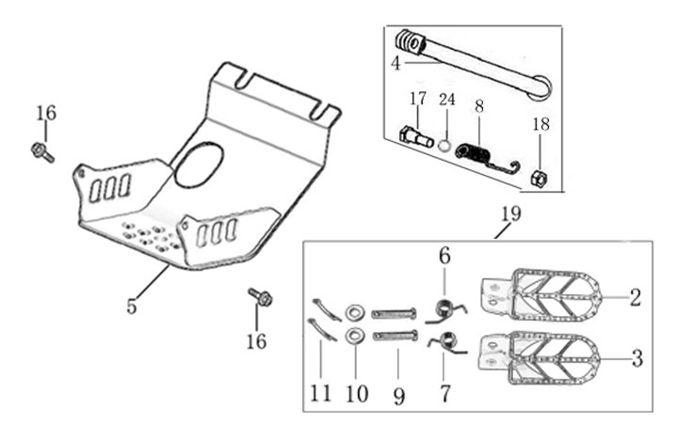
N° | Ref. | Description | Français | Picture | Qty/Bike | Model
1 | YC110-0902/1314 | Steel foot pegs set START / PILOT 2022 GREY | Jeu repose pied Acier START / PILOT 2022 GRIS |  | 1 | W88E22/S88se22/L8822/L12522/S12522/S125SE22/P12522/P15022/B12522/B15022
2 | YC110-09-01 | Spring for right steel foot peg d1.5mmxd16.5mmx10mm | ressort repose pied droit acier d1.5mmxd16.5mmx10mm |  | 1 | 50A1222/50W1622/W88E1822/S88SE1522/L881722/L1251622/S12522/S125S1522/S125se1522/P1251322/P1501222/SM1251222/SM1501222/B1251722/B1501722
3 | YC110-09-02 | Spring for left steel foot peg d1.5mmxd16.5mmx10mm | ressort repose pied gauche acier d1.5mmxd16.5mmx10mm |  | 1 | 50A1222/50W1622/W88E1822/S88SE1522/L881722/L1251622/S12522/S125S1522/S125se1522/P1251322/P1501222/SM1251222/SM1501222/B1251722/B1501722
4 | GB882-d8x43-W | shaft pin for steel footpegs d8mmx43mm | axe repose pied acier d8mmx43mm |  | 2 | P1251522/P1501522/SM1501522/B1251722/B1501722
5 | GB97-d8-W | flat washer d8mmxd16mmx1mm | rondelle d8mmxd16mmx1mm |  | 2 | ALL BIKES 1122
6 | GB91-d2x25-W | Cotter pin for shaft pin for steel footpegs d2.0mmx25mm | goupille pour axe repose pied acier d2.0mmx25mm |  | 2 | ALL BIKES 1322
7 | YC110-0904-07 | Kick stand L=340mm | bequille L=340mm |  | 1 | B1251722/B1501722/BF1501722/BFD2201722/BFZ2201822
8 | FB02-M10x1.5x30I | Stepped screw M10x35mm for kick stand (step 1.5) | vis bequille M10x35mm (pas1.5) |  | 1 | 50A1422/50E1622/W88E1822/S88SE1522/L881722/L1251622/S12522/S125S1422/S125se1522/P1251422/P1501422/SM1251422/SM1501422/B1251722/B1501722/BF1501722/BFD2201722/BFZ2201822/S1472020/S1871822
9 | GB6172-M10-G | Hex. Nut M10 (step 1.5) | ecrou bequille M10 (pasl1.5) |  | 1 | ALL BIKES 2122
...
N° | Ref. | Description | Français | Picture | Qty/Bike | Model
11 | YC110-21-01 | Spring for Steel brake pedal' d3mmxd32mmx7mm | ressort pour pédale de frein Acier d3mmxd32mmx7mm |  | 1 | W88E1822/S88SE1522/L881722/L1251622/S125S1522/S125se1522/S12522/P1251522/P1501522/SM1251522/SM1501522/B1251722/B1501722
12 | GB70.1-M10x35-B | Nut for brake pedal M10x35mm | vis pour pédale frein M10x35mm |  | 1 | W88E1822/S88SE1522/S125se1522/S12522/P1251322/P1501222/SM1251222/SM1501222/B1251722/B1501722/S1471822/S1871822
13 | YC110-1223-01 | Steel brake pedal end cap 2020 | embout pédale de frein Acier 2020 |  | 1 | W88E22/S88se22/88L22/125L22/S12522/S125se22/P12522/P15022/SM12522/SM15022/B12522/B15022
14 | BT08-M6x12-W | Hex.Bolt M6x12mm Steel brake pedal end cap | vis M6x12mm pour embout pédale de frein Acier |  | 4 | ALL BIKES 22
15 | FB13-10x14x17-CW | bushingd10mmxd14mmx17mm | entretoise d10mmxd14mmx17mm |  | 1 | P1251322/P1501322/SM1501322/B1251722/B1501722
16 | YC110-1215-06 | Mount for rear break reservoir "extern" | fixation maitre cylindre frein arriere "externe" |  | 1 | P1251722/P1501722/SM1501722/SP11722/SP22722/SP31722/B1251722/B1501722/BF1501722/BFD2201722/BFZ2201822/S1471822/S1871822
17 | BT08-M6x16-W | Hex. Bolt e M6x16mm for rear break reservoir fixation | vis M6x16mm pour fixation maitre cylindre frein arriere |  | 2 | P12522/P15022/SM15022/SP222/SP322/B12522/B15022/BFD22020/BFZ22020/S14722/S18722
18 | BT08-M6x16-W | Hex.Bolt M6x16mm | vis M6x16mm |  | 2 | P12522/P15022/SM15022/SP222/SP322/B12522/B15022/BFD22020/BFZ22020/S14722/S18722

Exhaust system
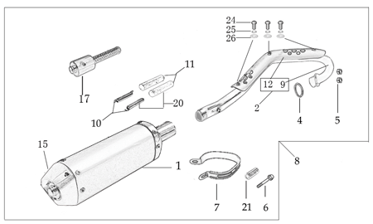
N° | Ref. | Description | Français | Picture | Qty/Bike | Model
1 | YC110-135-0202-GY | Muffler& Exhaust pipe assy YCF 94db (2 springs) BIGY125 2022 | Echapement complet YCF 94db (2 ressorts) BIGY125 2022 |  | 1 | B12522/B15022
2 | YC110-1301-01-GY | YCF Muffler 94db L=295mm (2 springs) GREY | Silencieux YCF 94db L=295mm (2 ressorts) GRIS |  | 1 | SP11517/B1251722/B1501722
3 | YC110-13-301 | Noise reducer (spark arrestor) YCF START | Bride de pot YCF START |  | 1 | S88S1222/S88SE1522/L881722/L1251622/S1251222/S125S1222/S125se1522/P1251322/P1501222/SM1251222/SM1501222/B1251722/B1501722
4 | YC110-13-32 | Muffler end cap YCF | Emout silencieux YCF |  | 1 | S88S1222/S88SE1522/L881722/L1251622/S1251222/S125s1222/S125se1522/P1251322/P1501222/SM1251222/SM1501222/B1251722/B1501722
5 | GB70.2-M5x12-Cr | Screw M5x12mm for muffler end cap | vis M5x12mm pour Embout silencieux |  | 3 | S88S1222/S88SE1522/L881722/L1251622/S12522/S125S1222/S125se1522/P1251322/P1501222/SM1251222/SM1501222/B1251722/B1501722
6 | GB93-d5 | Standard spring washer d5 for muffler end cap | rondelle d5pour Embout silencieux |  | 3 | S88S1226/S88SE1522/L881722/L1251622/S1251222/S125s1222/S125se1522/P1251322/P1501222/SM1251222/SM1501222/B1251722/B1501722
7 | YC110-1302-33 | Exhaust pipe with protection plate BIGY-125 2022 d28mm | collecteur avec plaque BIGY-125 2022 d28mm |  | 1 | B12522/B15022
8 | 18291/152FMH | Exhaust pipe washer d32mmxd25.5mmx4mm | joint pot d32mmxd25.5mmx4mm |  | 1 | S88SE1522/L881722/L1251622/S125se1522/S12522/S125S1222/P1251322/P1501222/SM1251222/SM1501222/SP11227/SP22122/SP31422/B1251722/B1501722/BF1501722/BFD2201722/BFZ2201822/S1471822/S1871822
9 | GB6187-M6-W | Self-locking Nut M6 for exhaust pipe fixation on engine | écrou M6 pour fixation du collecteur sur le moteur |  | 2 | S88SE1522/L881722/L1251622/S125se1522/S12522/S125S1222/P1251322/P1501222/SM1251222/SM1501222/SP11227/SP22122/SP31422/B1251722/B1501722/BF1501722/BFD2201722/BFZ2201822/S1471822/S1871822
...
N° | Ref. | Description | Français | Picture | Qty/Bike | Model
12 | BT08-M6x22-W | Hex.Bolt M6x22mm for front shroud fixation | vis M6x22mm pour fixation partie avant ouie |  | 2 | ALL BIKES 22
13 | YC110-02-13 | Rubber washer d6mmxd14mmx3mm for shroud fixation on gas tank | rondelle d.5mmxd.15mm pour fixation ouies sur reservoir cotes |  | 4 | ALL BIKES 1222
14 | FB5787-M5x12-W | hex. Bolt with flanged M5x12mm for shroud fixation on gas tank sides | vis M5x12mm pour fixation ouis sur reservoir cotes |  | 2 | ALL BIKES 1222
15 | GB96-d6 | flat washer d6 for shroud fixation on gas tank sides | rondelle d6 pour fixation ouis sur reservoir cotes |  | 4 | ALL BIKES 1222
16 | GB6177-M6-W | Hex. Flanged nut M6 for front shroud fixation | Ecrou M6 pour fixation partie avant ouie |  | 2 | ALL BIKES 1222
17 | GB5787-M6x22-B | hex. Bolt with flanged M6x22mm BLACK for seat fixation on subframe | vis M6x22mm NOIR pour fixation selle sur boucle acier |  | 2 | ALL BIKES 1522
18 | YC110-03-01 | Rubber washer d6mmxd18mmx4mm for seat fixation on subframe | joint caoutchouc d6mmxd18mmx4mm pour fixation selle sur boucle acier |  | 2 | ALL BIKES 1222
19 | GB96-d6 | flat washer d6mm for seat fixation on subframe | rondelle d6mm pour fixation selle sur boucle acier |  | 2 | ALL BIKES 1222

ELECTRIC
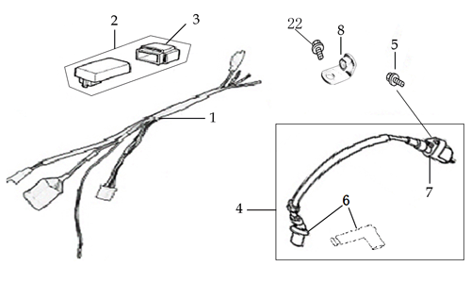
N° | Ref. | Description | Français | Picture | Qty/Bike | Model
1 | YC110-1501-22 | Wire harness ZONGSHEN W125-G | FAISCEAUx ELECTRIQUE ZONGSHEN W125-G |  | 1 | W125-G W150-G W110-G
2 | YC110-01-05-WH | Cable tie L=350mm WHITE | collier maintien cable L=350mm BLANC |  | 1 | ALL BIKES
3 | 100204339 | CDI W125-G | CDI W125-G |  | 1 | SM12521
4 | YC110-1324-01 | FiXed clamp M6 | Fixation pour boite a air Lite sur boucle arriere M6 |  | 1 | SM12521
5 | FB13-9×17×10-B | Bushing d8.5×d17×10 | Entretoise d8.5×d17×10 |  | 1 | SM12521
6 | BT08-M6x30-W | Exterior Hex.Bolt M6x30mm | vis couronne M6x30mm |  | 1 | SM12521
7 | BT08-M6x20-W | Hex.Bolt M6x20mm for ignitor coil fixation | vis M6x20mm pour bobine haute tension |  | 1 | All BIKES 21
8 | 81100-I008-000050 | IGNITION COIL MG03B L:500 | Bobine d'allumage MG03B L:500 |  | 1 | SM12521/SM15021
...

